General guidelines
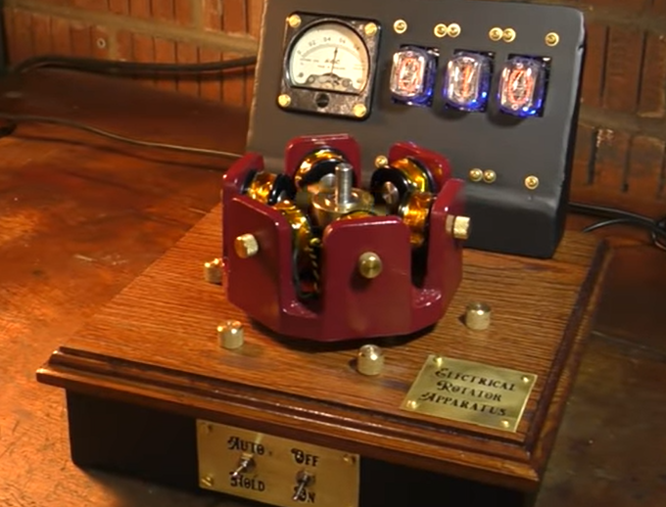
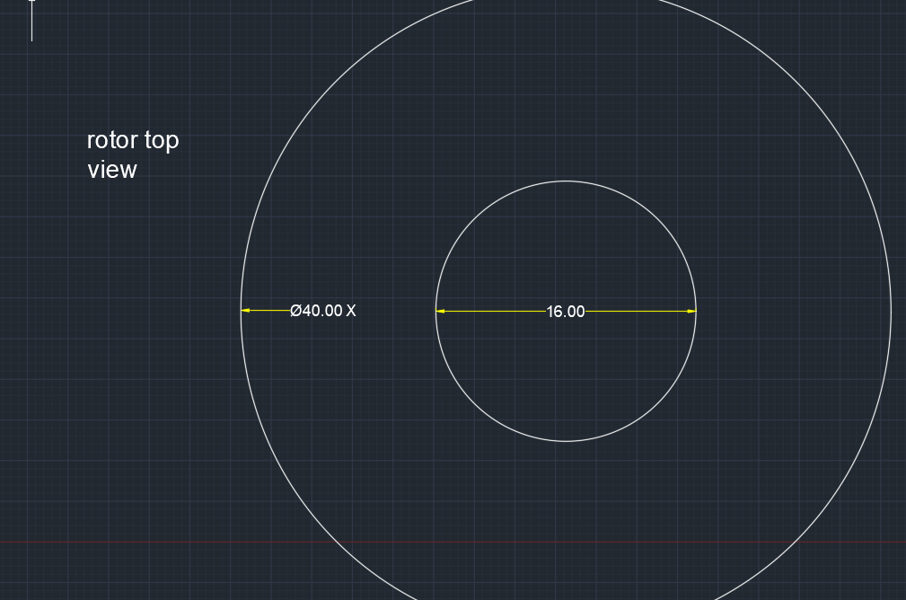
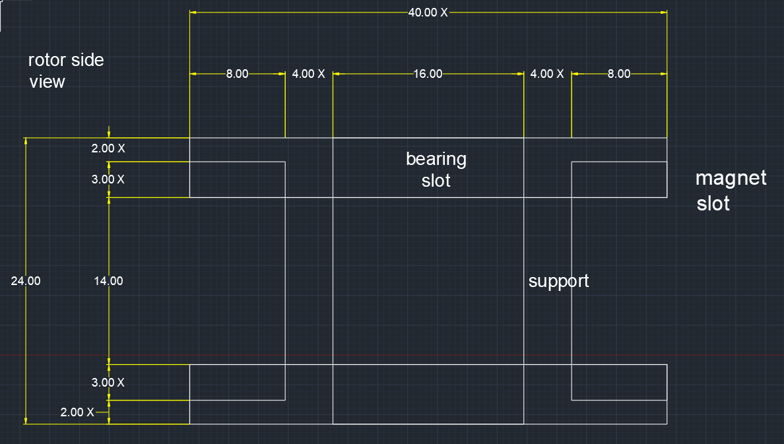
1 | gawin muna natin ung paper (intro-objectives and limitations, and rrl)
2 | tapos base dun sa mga naresearch nating theory in relation sa electromagnets at ung bldc motors, gawa na tayo ng design (which is ung methodology)
 | meron na tayong placeholder design (temporary; nadecide kahapon sa meeting), pero magkaroroon ng minor changes dun after ng #1 step

 | ang gist ng design:

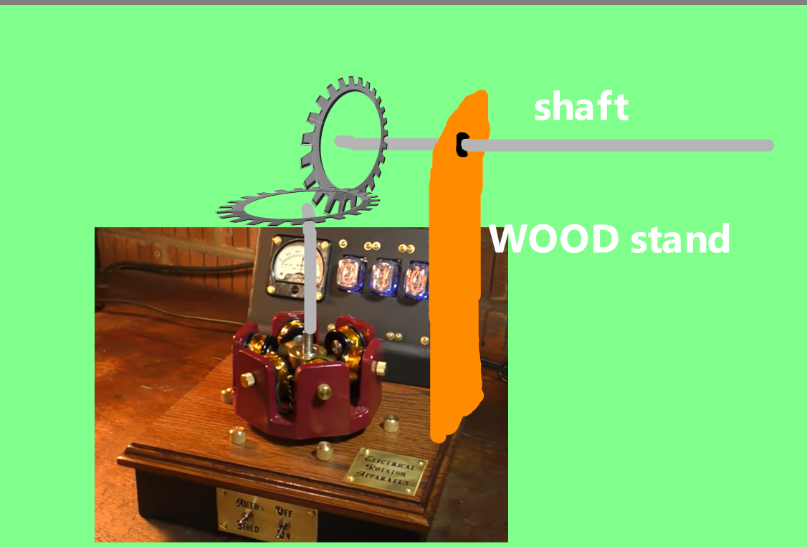
 | motor

